Sheet1
Batch Size | Epochs | Execution Time (s) | Test Accuracy | Confusion Matrix Image | Loss/Accuracy Curves
1 | 10 | 733.5185733 | 0.113499999 | 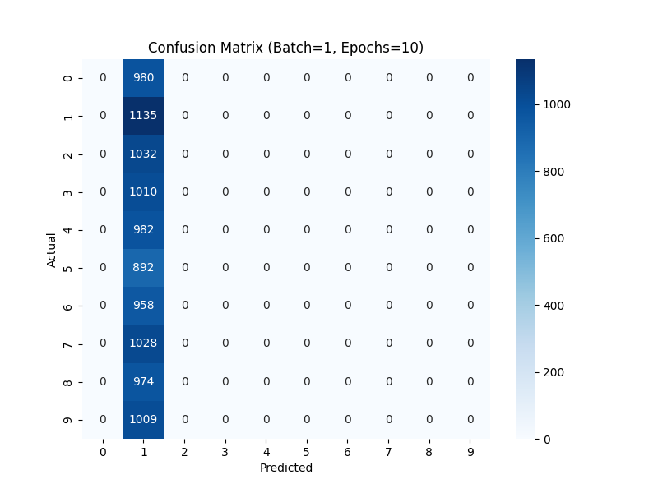
1 | 50 | 2816.215076 | 0.113499999 | 
1 | 100 | 8572.695117 | 0.191200003 | 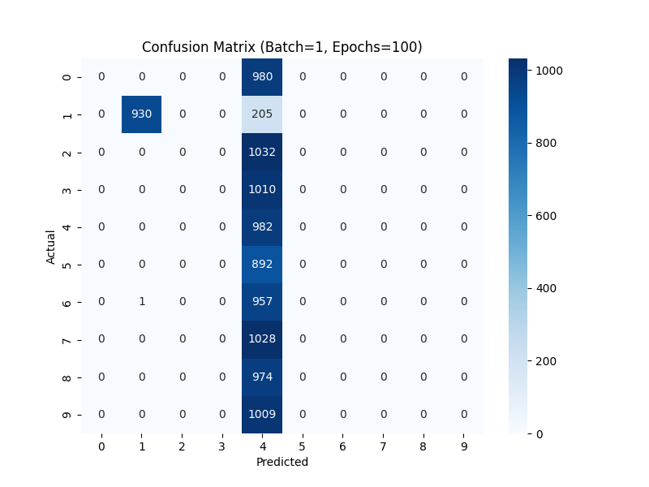
10 | 10 | 70.38154554 | 0.853199959 | 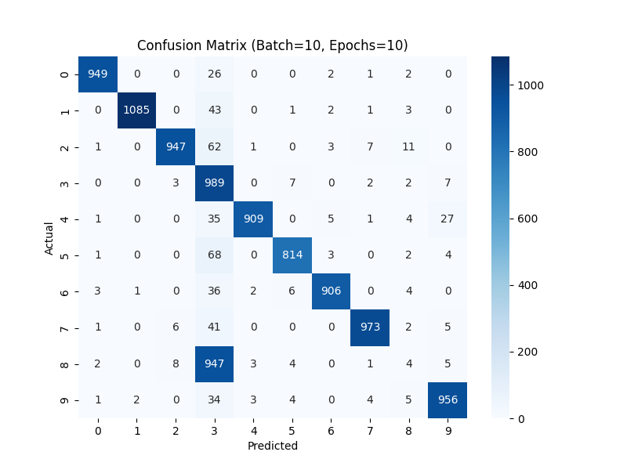
10 | 50 | 426.1797235 | 0.697299898 | 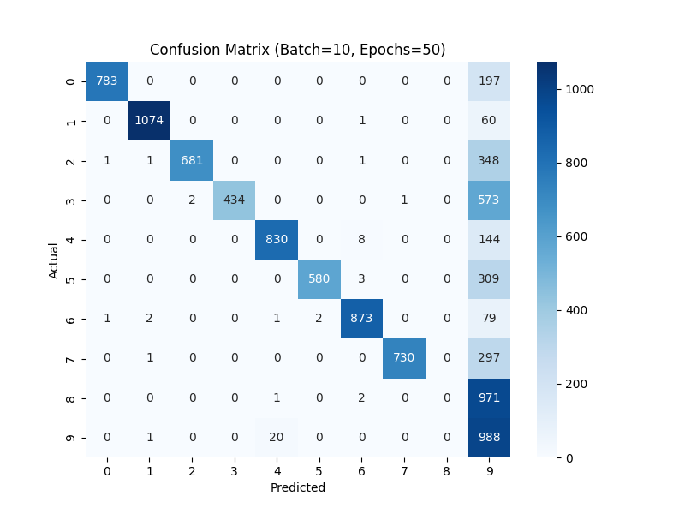
10 | 100 | 1077.015023 | 0.692499995 | 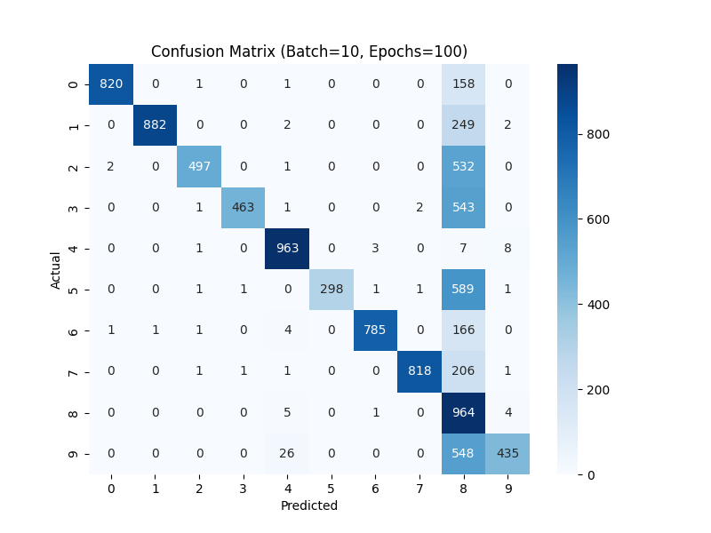
100 | 10 | 22.49941564 | 0.937600017 | 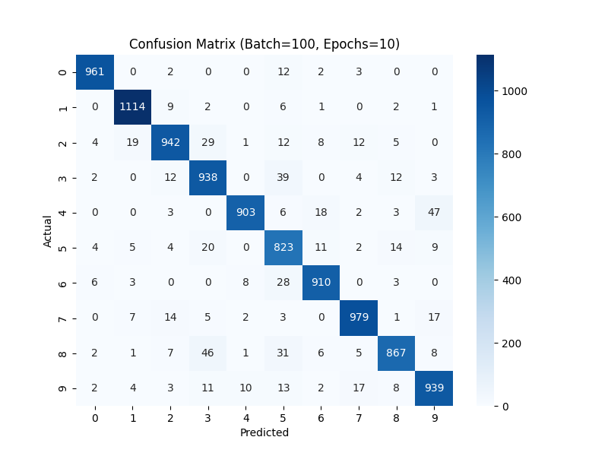
100 | 50 | 168.097368 | 0.960299969 | 
100 | 100 | 673.4944732 | 0.972700059 | 

